Option Premium Valuation
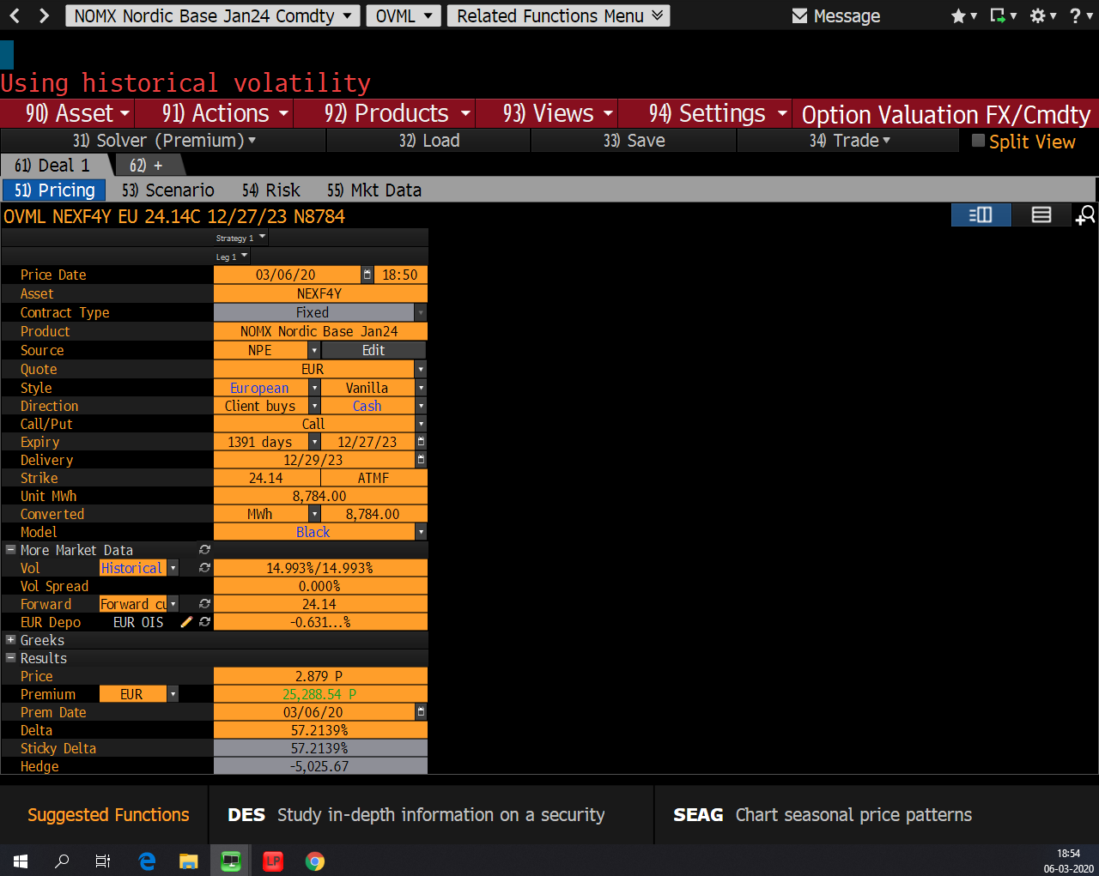
 | Peer 1: | REF (BLOOMBERG) | Peer 3:
Exchange: | Nasdaq OMX | Nasdaq OMX | European Energy Exchange
Market: | System Price | System Price | Phelix Price
Option: | ENOFUTBLCYR-21 | ENOFUTBLCYR-24
Description: | Call option for NEXF1Y, excercise price 35€/MWh | Call option for NEXF4Y, excercise price 24.14€/MWh
Underlying Asset: | NEXF1Y | NEXF4Y
Description: | Forward on 1 MWh delivered throughout 2021 (System Price) | Forward on 1 MWh delivered throughout 2024 (System Price)
Date of Analysis: | 2019-12-30 | 2020-03-06
Exercise Date: | 2020-12-30 | 2023-12-27
Time to Maturity: (T) | 1.00 Years | 3.81 Years | 0.00 Years
Risk-free: (r)* | -0.66% | -0.79% | 0.01%
Price of Underlying Asset: (F) | 33.15 €/MWh | 24.14 €/MWh | 0.01 €/MWh
Exercise Price: (K) | 35.00 €/MWh | 24.14 €/MWh | 0.01 €/MWh

d1 | -0.48313061452 | 0.14634425499 | #DIV/0!
d2 | -0.58482978755 | -0.14634425499 | #DIV/0!
N(d1) | 0.31450149889 | 0.55817518427 | #DIV/0!
N(d2) | 0.27933108654 | 0.44182481573 | #DIV/0!

Volatility (annualised): | 10.16% | 14.99% | 0.01%
Call Price (Black): | € 0.653 | € 2.895 | #DIV/0!

* The applied risk free-rate is the effective rate of a 2 year danish government bond (Nationalbanken)

